DDashboard
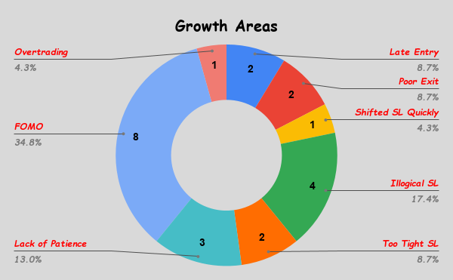
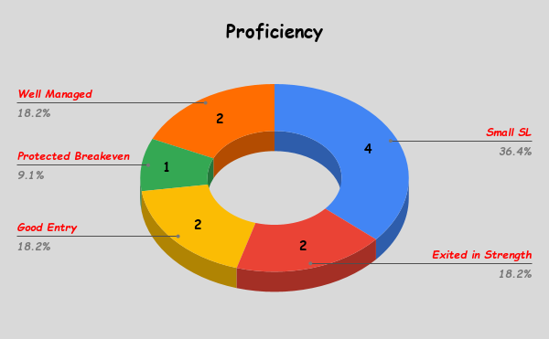
Month | Added/ Withdrawn | Starting capital | P/L | Charges | P/L | Final capital | Year P/L | No. of Trades | % Win | Avg Gain | Avg Loss | Avg R:R | Best Impact | Worst Impact | Avg Holding Days | F&O
Jan |  |  |  |  | #DIV/0! | ₹0 | #DIV/0! | 0 |  |  |  |  | 0.00% | 0.00% |  |  | Total Trades | 48
Feb |  |  |  |  | #DIV/0! | ₹0 |  | 0 |  |  |  |  | 0.00% | 0.00% |  |  | Win % | 50.00%
Mar |  |  |  |  | #DIV/0! | ₹0 |  | 0 |  |  |  |  | 0.00% | 0.00% |  |  | Avg + move | 1.97%
Apr |  |  |  |  | #DIV/0! | ₹0 |  | 0 |  |  |  |  | 0.00% | 0.00% |  |  | Avg - move | -7.99%
May |  |  |  |  | #DIV/0! | ₹0 |  | 0 |  |  |  |  | 0.00% | 0.00% |  |  | Avg Position Size | 13.27%
June |  |  |  |  | #DIV/0! | ₹0 |  | 0 |  |  |  |  | 0.00% | 0.00% |  |  | Avg Holding Days | 44
Jul |  | ₹1,000,000 | -₹164,641 | ₹510 | -16.52% | ₹834,849 |  | 37 | 54.05% | 0.16% | -1.16% | 0.34 | 0.59% | -14.64% | 57 |  | Plan Followed | 29.17%
Aug |  | ₹834,849 | -₹91,745 | ₹525 | -11.05% | ₹742,579 |  | 11 | 36.36% | 0.15% | -1.93% | -2.85 | 0.27% | -6.83% | 157 |  |  |  | Stock | Date
Sep |  | ₹742,579 |  | ₹271 | -0.04% | ₹742,308 |  | 0 |  |  |  |  | 0.00% | 0.00% |  |  | Best Move | 8.01% | TRANSRAILL | 31-Jul-25
Oct |  | ₹742,308 |  | ₹456 | -0.06% | ₹741,852 |  | 0 |  |  |  |  | 0.00% | 0.00% |  |  | Worst Move | -75.62% | 544441 | 14-Jul-25
Nov |  | ₹741,852 |  | ₹561 | -0.08% | ₹741,291 |  | 0 |  |  |  |  | 0.00% | 0.00% |  |  | Best pf Impact | 0.59% | DIXON | 21-Jul-25
Dec |  | ₹741,291 |  | ₹184 | -0.02% | ₹741,107 |  | 0 |  |  |  |  | 0.00% | 0.00% |  |  | Worst pf Impact | -14.64% | 544441 | 14-Jul-25
 |  |  |  |  |  |  |  |  |  | Avg R | -1.26
 |  |  |  |  |  |  |  | Open Positions |  |  | 7
 |  | Statistics of the last |  | 20 | 👈 |  |  |  |  | Cash | #DIV/0!
 |  | Win % |  | 40.0% |  |  |  |  | Open Heat |  | #DIV/0!
 |  | Avg Gain |  | 0.1%
 |  | Avg Loss |  | -1.35%
 |  | Avg Po Size |  | 15.63%
 |  | Avg Holding Days |  | 91
 |  | R-multiple |  | -1.5

% P/L vs. Month
Number of Trades & % Win Rate
 | # Trades | % Win

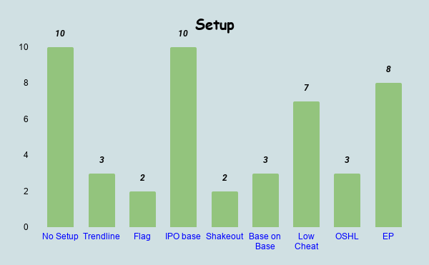
Avg Gain & Avg Loss
 | Avg Gain | Avg Loss

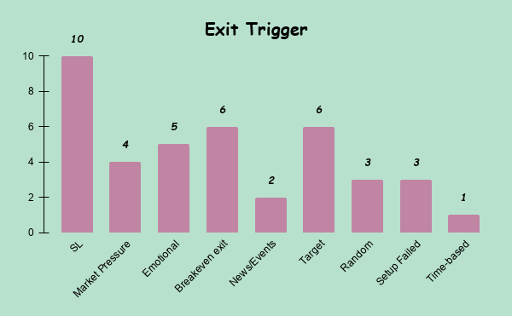
R multiples

